Login page
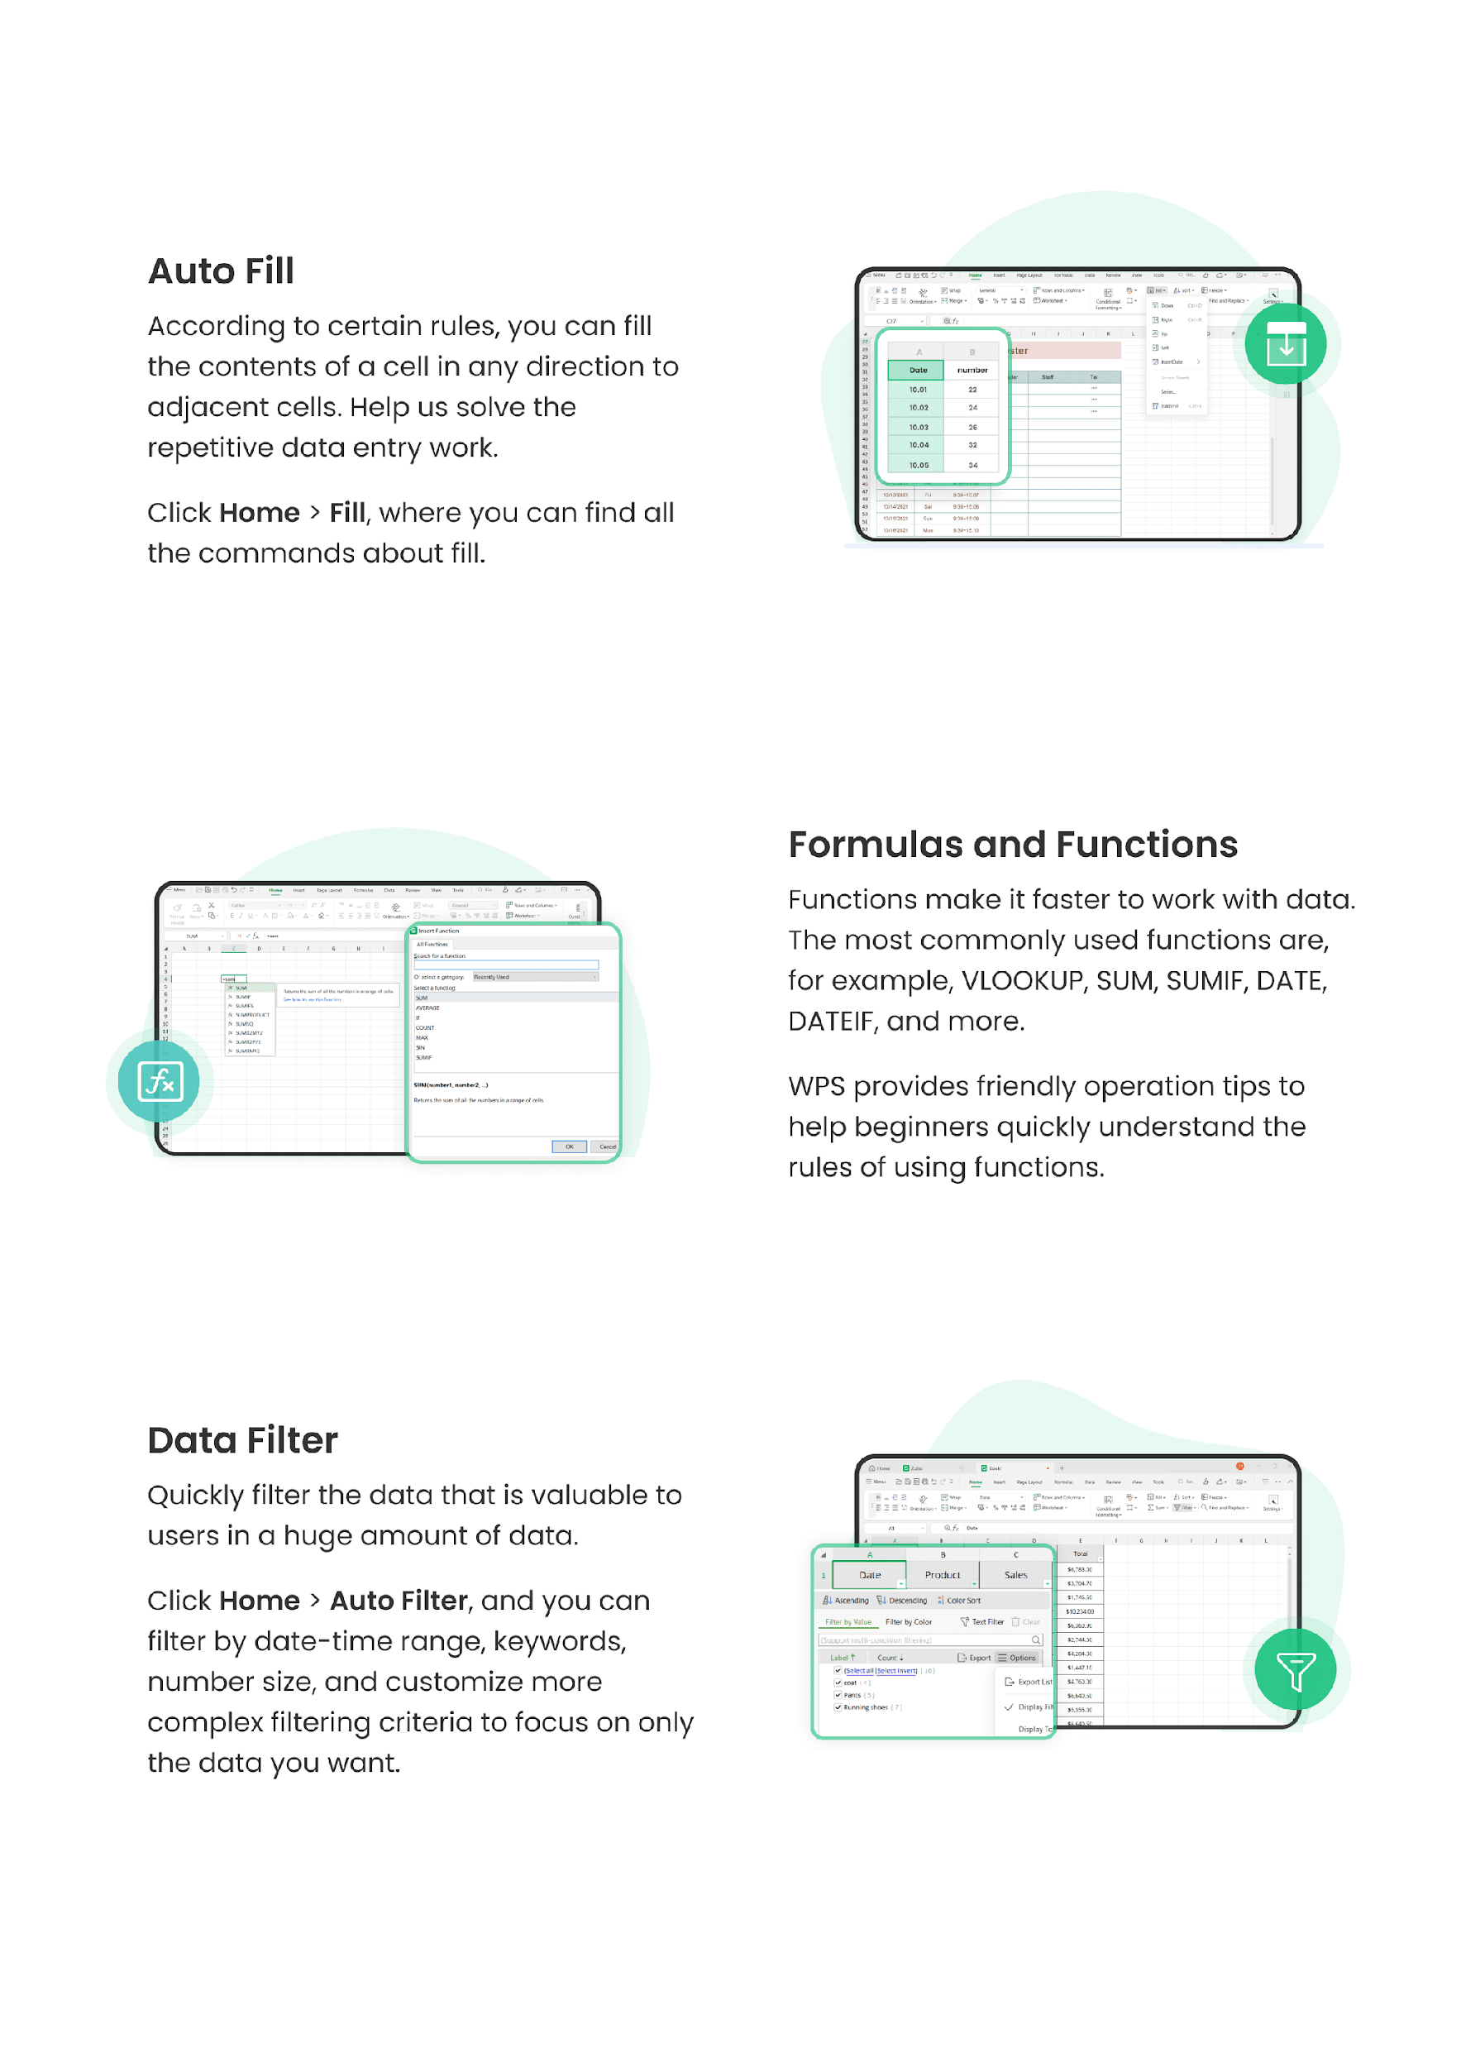
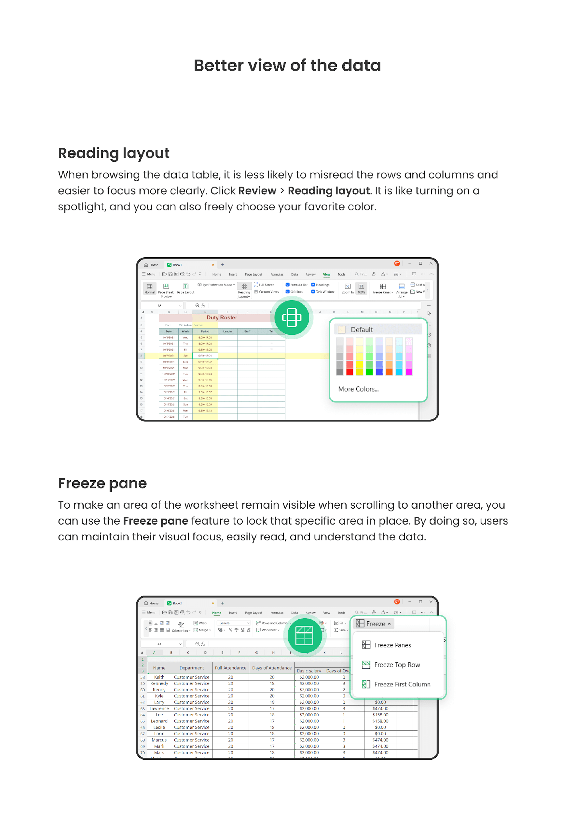



MADEWELL SHOPPING WEBSITE

 | VERSION NO : 184520 |  |  |  | TESTED BY : Aishwarya
 | VERIFIED BY : Rakhi |  |  |  | DATE : 22/11/23
Module name : Login Page
TEST ID | TEST DESCRIPTION | TEST PROCEDURE | TEST DATA | EXPECTED RESULT | ACTUAL RESULT | STATUS
MS_LP_01 | Check whether the application is opening | 1. Open Madewell shopping website | https://www.madewell.com/ | Madewell website should open | Madewell shopping website should open | PASS
MS_LP_02 | Check whether the logo Madewell is present | 1. Open Madewell shopping website |  | The logo of Madewell should be present | The logo of Madewell is present | PASS
MS_LP_03 | Verify that the website opens in ios, Andriod, and all other operating systems in Mobile and as soon as its clicked | 1. Open Madewell shopping website |  | The App should open up good | The app opens good | PASS
MS_LP_04 | Check whether sign up option is available | 1. Open Madewell shopping website 2. Check for sign up option |  | Sign up option should be there | Sign up option is there | PASS
MS_LP_05 | Ensure when we click on the Sign up link, we are redirected to Sign up page | 1. Open Madewell shopping website 2. Click on sign up button |  | Should be redirected to Sign up page | We are redirected to Sign up page | PASS
MS_LP_06 | Check whether we can sign up without providing any of the details | 1. Open Madewell shopping website 2. Click on sign up button 3. enter the required fields |  | Should be showing an error message | An error message is displayed | PASS
MS_LP_07 | Check whether the first name is accepting more than 20 characters | 1. Open Madewell shopping website 2. Click on sign up button 3. Enter the characters on first name | Aishwarya Radhakrishnan | The first name should accept more than 20 characters | The first name is accepting more than 20 characters | PASS
MS_LP_08
MS_LP_09 | Check whether the first name field is accepting special characters | 1. Open Madewell shopping website 2. Click on sign up button 3. Enter the characters on first name | Aishwarya@Radhakrishnan | The first name field should not accept special characters | The first name field is not accepting special characters | PASS
MS_LP_10 | Check whether the Last name is accepting more than 20 characters | 1. Open Madewell shopping website 2. Click on sign up button 3. Enter the characters in first name 4. Enter the characters in last name | Aishwarya Radhakrishnan | The Last name should accept more than 20 characters | The Last name is accepting more than 20 characters | PASS
MS_LP_11 | Check whether the first name field is accepting special characters | 1. Open Madewell shopping website 2. Click on sign up button 3. Enter the characters in first name 4. Enter the characters in last name | Aishwarya@Radhakrishnan | The Last name field should not accept special characters | The Last name field is not accepting special characters | PASS
MS_LP_12 | Verify that the field doesnt allow ae-mail id registred with the website before | 1. Open Madewell shopping website 2. Click on sign up button 3. Enter the characters on first name 4. Enter the characters on Last name 5.Enter e-mail id | aishwarya@gmail.com | Should be shown an error message, stating this e-mail id is already registered with us | An error message is displayed | PASS
MS_LP_13 | Check whether e-mail is valid | 1. Open Madewell shopping website 2. Click on sign up button 3. Enter the characters on first name 4. Enter the characters on Last name 5.Enter e-mail id | aishwarya@gmail.com | The e-mail should be valid | The e-mail is not valid | Fail
MS_LP_14 | Check whether e-mail is valid | 1. Open Madewell shopping website 2. Click on sign up button 3. Enter the characters on first name 4. Enter the characters on Last name 5.Enter e-mail id | kkraishwarya@gmail.com | The e-mail should be valid | The e-mail is valid | PASS
MS_LP_15 | Check whether the password entered contains both upper and lower case characters must contain numeric characters must contain special characters | 1. Open Madewell shopping website 2. Click on sign up button 3. Enter the characters on first name 4. Enter the characters on Last name 5.Enter e-mail id 6.Enter password | Richu123 | The password entered must contain both upper and lower case characters must contain numeric characters must contain special characters | The password entered contains both upper and lower case characters contains numeric characters does notcontain special characters | FAIL
MS_LP_16 | Check whether the password entered must contain both upper and lower case characters must contain numeric characters must contain special characters | 1. Open Madewell shopping website 2. Click on sign up button 3. Enter the characters on first name 4. Enter the characters on Last name 5.Enter e-mail id 6.Enter password | Richu@123 | The password entered must contain both upper and lower case characters must contain numeric characters must contain special characters | The password entered contains both upper and lower case characters contains numeric characters contains special characters | PASS
MS_LP_17 | Check whether the country field contains dropdown button and it should work | 1. Open Madewell shopping website 2. Click on sign up button 3. Enter the characters on first name 4. Enter the characters on Last name 5.Enter e-mail id 6.Enter password 7.Click country dropdown |  | country field must contain dropdown button and it should work | country field contains dropdown button and is working | PASS
MS_LP_18 | Check whether country is selected in city dropdown | 1. Open Madewell shopping website 2. Click on sign up button 3. Enter the characters on first name 4. Enter the characters on Last name 5.Enter e-mail id 6.Enter password 7.Click country dropdown 8. Select country |  | It should select country in the dropdown | It is select country in the dropdown | PASS
MS_LP_19 | Ensure the Submit button is clickable |  |  | Should be able to click the button, i.e: it should act as a button | it acts as a button | PASS
MS_LP_20 | Check whether it is redirecting to home page | 1. Open Madewell shopping website 2. Click on sign up button 3. Enter the characters on first name 4. Enter the characters on Last name 5.Enter e-mail id 6.Enter password 7.Click country dropdown 8. Select country 9. Click on sign up now |  | It should redirect to home page | It is redirecting to home page | PASS
MS_LP_21 | Ensure, we can redirect to the home page, once we are on the Create user profile link, i.e : when we click on the sign out and when we click the home page icon/link | 1. Open Madewell shopping website 2. Click on sign up button 3. Enter the characters on first name 4. Enter the characters on Last name 5.Enter e-mail id 6.Enter password 7.Click country dropdown 8. Select country 9. Click on sign up now 10.Click on sign out |  | Should be redirected to initial home page | We are bieng redirected succesfully | PASS

